Instructions
Validation
The tabs colored orange show valid values for every column on every sheet.

Validation Rules tab - shows the valid values for every column on every sheet.
 | In some cases, the valid value can be any value from a list of values.
 | The Validation Rules tab shows the name of the list.

 | Example:
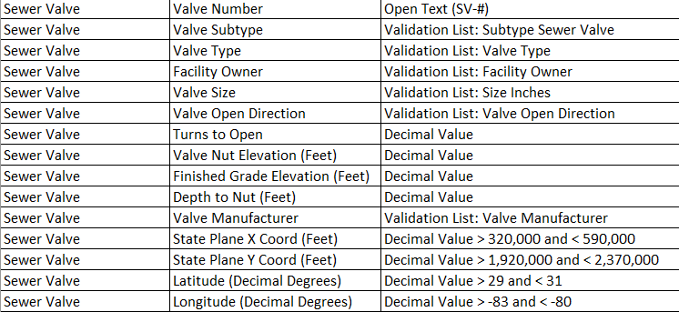

Validation Lists tab - shows the lists of valid values.
 | The Validation Lists are also given as pick lists in the respective columns, from which the value may be selected.
 | "Validation List" is sometimes called a "Domain"

 | Example:
 |  | Validation List | Pick list on the Valve Tab
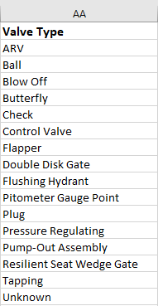

Note
The following tables are optional, not required:
Water Pipe Run
WW Pressure Pipe Run
Reclaimed Pipe Run

All Other Tables are Required.

